1. Title Page
Revenue Analysis

Project Name: Instacart Revenue Analysis
Date: 10/1/2023
Analyst Name: Aaron Manzano

Contents:
Population Flow
Consistency checks
Wrangling steps
Column derivations
Visualizations
Recommendations

2. Population Flow
Title page

Population flow

Exclusion flag
Condition: max_order < 5
Obervations to be removed: 1,441,548 (43,576 customers)
Final total count of order_products_all: 30,992,664

Orders_products_combined
Orders_products_merged
Orders_products_all

Total: 32,434,212
Total: 32,434,489
Total: 32,434,212

1.) The grey boxes in the first row of the population flow represent the original data sets as they were when you downloaded them. In the Total fields you need to add the count of the rows when you imported the data set into Jupyter.
2.) The second row of boxes (coloured) represents the data sets after you manipulated them, e.g., removed missing values and duplicates. In the Total fields you need to add the count of the rows after conducting these operations. This offers a visual oveview of how the data flows throughout the data consistency checks.
3.) The third row, where also the arrows are coloured, represents the merges you performed between the datasets. In the Total fields you need to add the count of the rows in the merged datasets, so that you end up with the final dataset (in the red box). Keep in mind the final dataset should be without exclusions (based on the exclusion flag).

3. Consistency checks
 |  |  |  | Title page
Consistency checks

Dataset | Missing values | Missing values treatment | Duplicates
orders | 206,209 nulls | N/A, first time orders. | no duplicates
products | 16 missing product names | no action | 5 duplicates dropped
orders_products_prior | none | none | none
customers | 11,259 first_name Nulls | dropped first/last name | none
orders | 5127 nulls | dropped incorrect prices | none

4. Wrangling steps
 |  |  |  | Title page
Wrangling steps

Columns dropped | Columns renamed | Columns' type changed | Comment/Reason
first_name' |  |  | personal info
Surname' |  |  | personal info

 | orders_dow' : 'orders_day_of_week'
 | 'days_since_prior_order' : 'days_between_last_order'
 | order_number' : 'customer_order_number
 | user_id' : 'customer_id
 |  | 64bit->16bit | memory issues

5. Column derivations
 |  |  |  | Title page

Column derivations and aggregations

In this tab you should add tables below that the frequences of flags/label variables that you produced after deriving them. NB: don't do this for continuous variables, only for flags.
Dataset | New column | Column/s it was derived from | Conditions
orders_products_merged.pkl | price_range_loc' | prices' | <=5, 'Low Range Items' '>5 & <=15, 'Mid Range Items' '>15, 'High Range Items'
orders_products_merged.pkl | Busiest Day' | orders_day_of_week' | top 2 days (0/1): Busiest Day Bottom 2 days (4/3): Least Busy Day Else: Regularly Busy Day
orders_products_merged.pkl | order_hour_of_day' | busiest_hours_of_day' | Most Orders: 9, 10, 11, 12, 13, 14, 15, 16 (Top 1/3 of hours) Average Orders: 7, 8, 17, 18, 19, 20, 21, 22 (Middle 1/3 of hours) Fewest Orders: 23, 0, 1, 2, 3, 4, 5, 6 (Bottom 1/3 of hours)
Orders_Time_Analysis.pkl | loyalty_flag' | max_orders' | max_orders > 40 = 'Loyal Customer' max_orders < 10 = 'New Customer' max_orders >=10 & <=40 = 'Regular Customer'
Orders_Time_Analysis.pkl | avg_cust_spend' | sum of prices for each customer_id | mean of all customer orders
Orders_Time_Analysis.pkl | Customer_Spend | avg_cust_spend' | < 10 = 'Low Spender' >=10 = 'High Spender'
Orders_Time_Analysis.pkl | median_order_frequency | median days_between_last_order for each customer_id | > 20 = 'non_frequent Spender' <= 20 & >= 10 = 'Regular Spender' < 10 = "Frequent Spender'
Grouped_Customer.pkl | Region' | State' | Region 1 (Northeast): Maine, New Hampshire, Vermont, Massachusetts, Rhode Island, Connecticut, New York, Pennsylvania, New Jersey Region 2 (Midwest): Wisconsin, Michigan, Illinois, Indiana, Ohio, North Dakota, South Dakota, Nebraska, Kansas, Minnesota, Iowa, Missouri Region 3 (South): Delaware, Maryland, District of Columbia, Virginia, West Virginia, North Carolina, South Carolina, Georgia, Florida, Kentucky, Tennessee, Mississippi, Alabama, Oklahoma, Texas, Arkansas, Louisiana Region 4 (West): Idaho, Montana, Wyoming, Nevada, Utah, Colorado, Arizona, New Mexico, Alaska, Washington, Oregon, California, Hawaii
Grouped_Customer.pkl | weekend_customer' | order_day_of_week' | count of weekend orders/total count of orders = weekend ratio weekend ratio >=0.65 = 'True' Else = 'False'
Grouped_Customer.pkl | age_group' | Age | 18-29 = Young Adult 30-60 = Midlife 61-81 = Elder
Grouped_Customer.pkl | income_brackets_2 | Income' | 0--(mean-1std) = Very_low (mean-1std)--mean = low mean--(mean+1std) = high (mean+1std)--max_income = very_high
Grouped_Customer.pkl | top_one_percent (of products) | product_name' and sum of prices | 49630 product names product_name in top 496 products by revenue = True else= False
Grouped_Customer.pkl | top_ten_percent (of products) | product_name' and sum of prices | 49631 product names product_name in top 4963 products by revenue = True else: False
Grouped_Customer.pkl | Nighttime_order' | order_hour_of_day' | 92% of revenue between 9a-5p nighttime = order not between 9a-5p daytime = order between 9a-5p
Grouped_Customer.pkl | Nightowl_Customer | nighttime_order | ratio of nighttime/total orders >= 0.65: True Else: False
Grouped_Customer.pkl | total_expenditure | prices summed by customer_id | total sum of prices by customer_id
Grouped_Customer.pkl | Children' | dependents' | if 0 = 'No' else = 'Yes'
Grouped_Customer.pkl | customer_profiles' | age_group, dependents, marital_status | # Young Single No Kids: Customers who are in the "young" age group, not married, and have no dependents. # Young Married No Kids: Customers who are in the "young" age group, married, and have no dependents. # Young Single With Kids: Customers who are in the "young" age group, not married, and have dependents. # Young Married With Kids: Customers who are in the "young" age group, married, and have dependents. # Midlife Single No Kids: Customers who are in the "midlife" age group, not married, and have no dependents. # Midlife Married No Kids: Customers who are in the "midlife" age group, married, and have no dependents. # Midlife Single With Kids: Customers who are in the "midlife" age group, not married, and have dependents. # Midlife Married With Kids: Customers who are in the "midlife" age group, married, and have dependents. # Elder Single No Kids: Customers who are in the "elder" age group, not married, and have no dependents. # Elder Married No Kids: Customers who are in the "elder" age group, married, and have no dependents. # Elder Single With Kids: Customers who are in the "elder" age group, not married, and have dependents. # Elder Married With Kids: Customers who are in the "elder" age group, married, and have dependents.

6. Visualizations
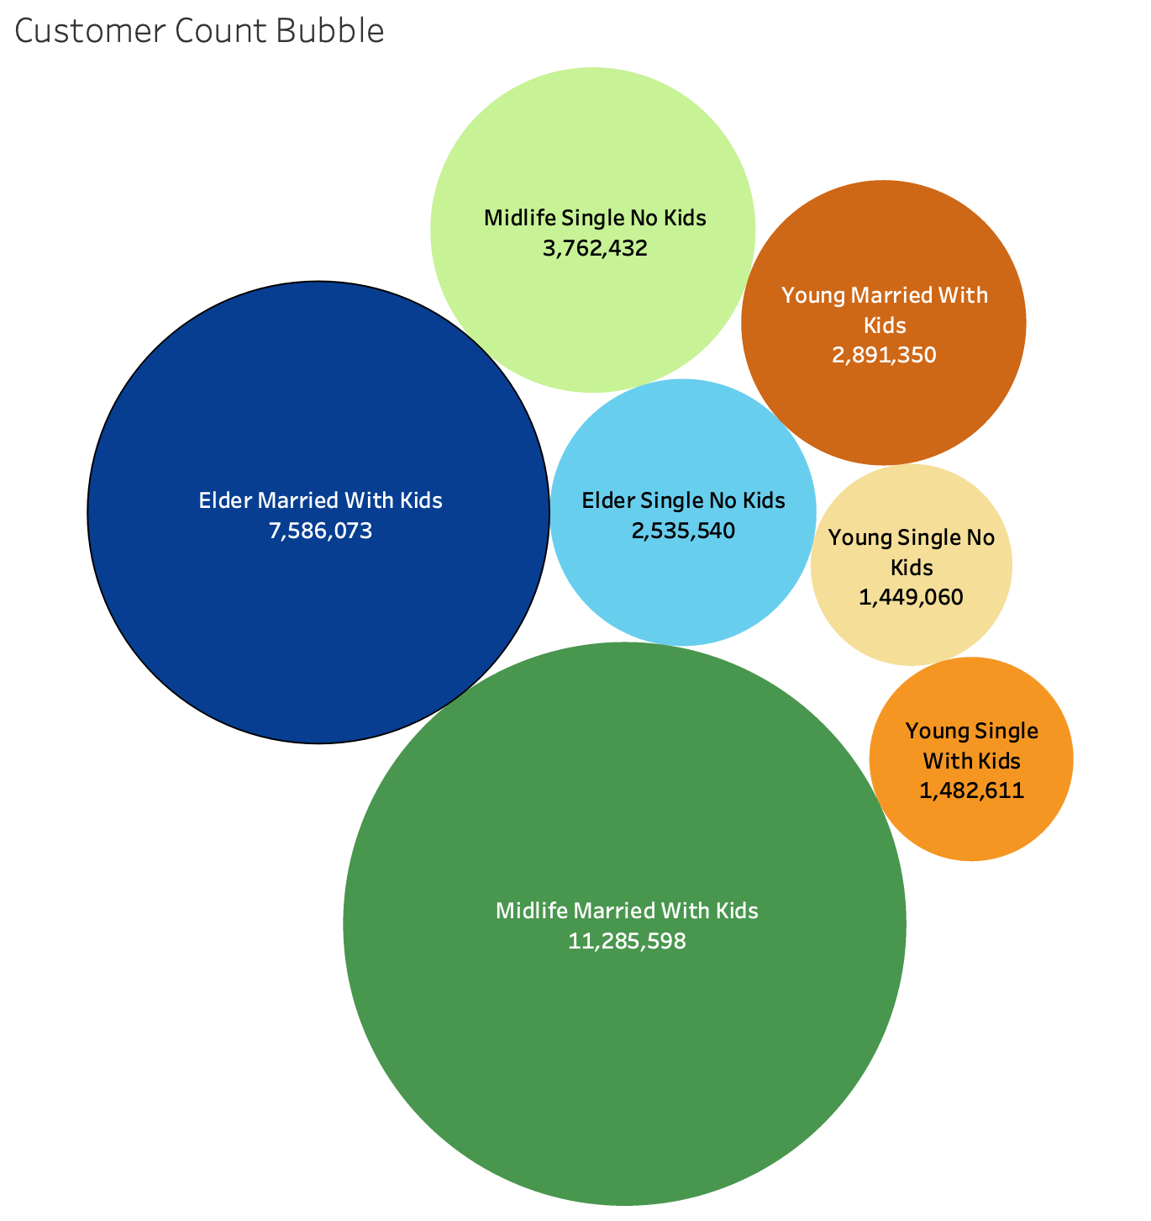
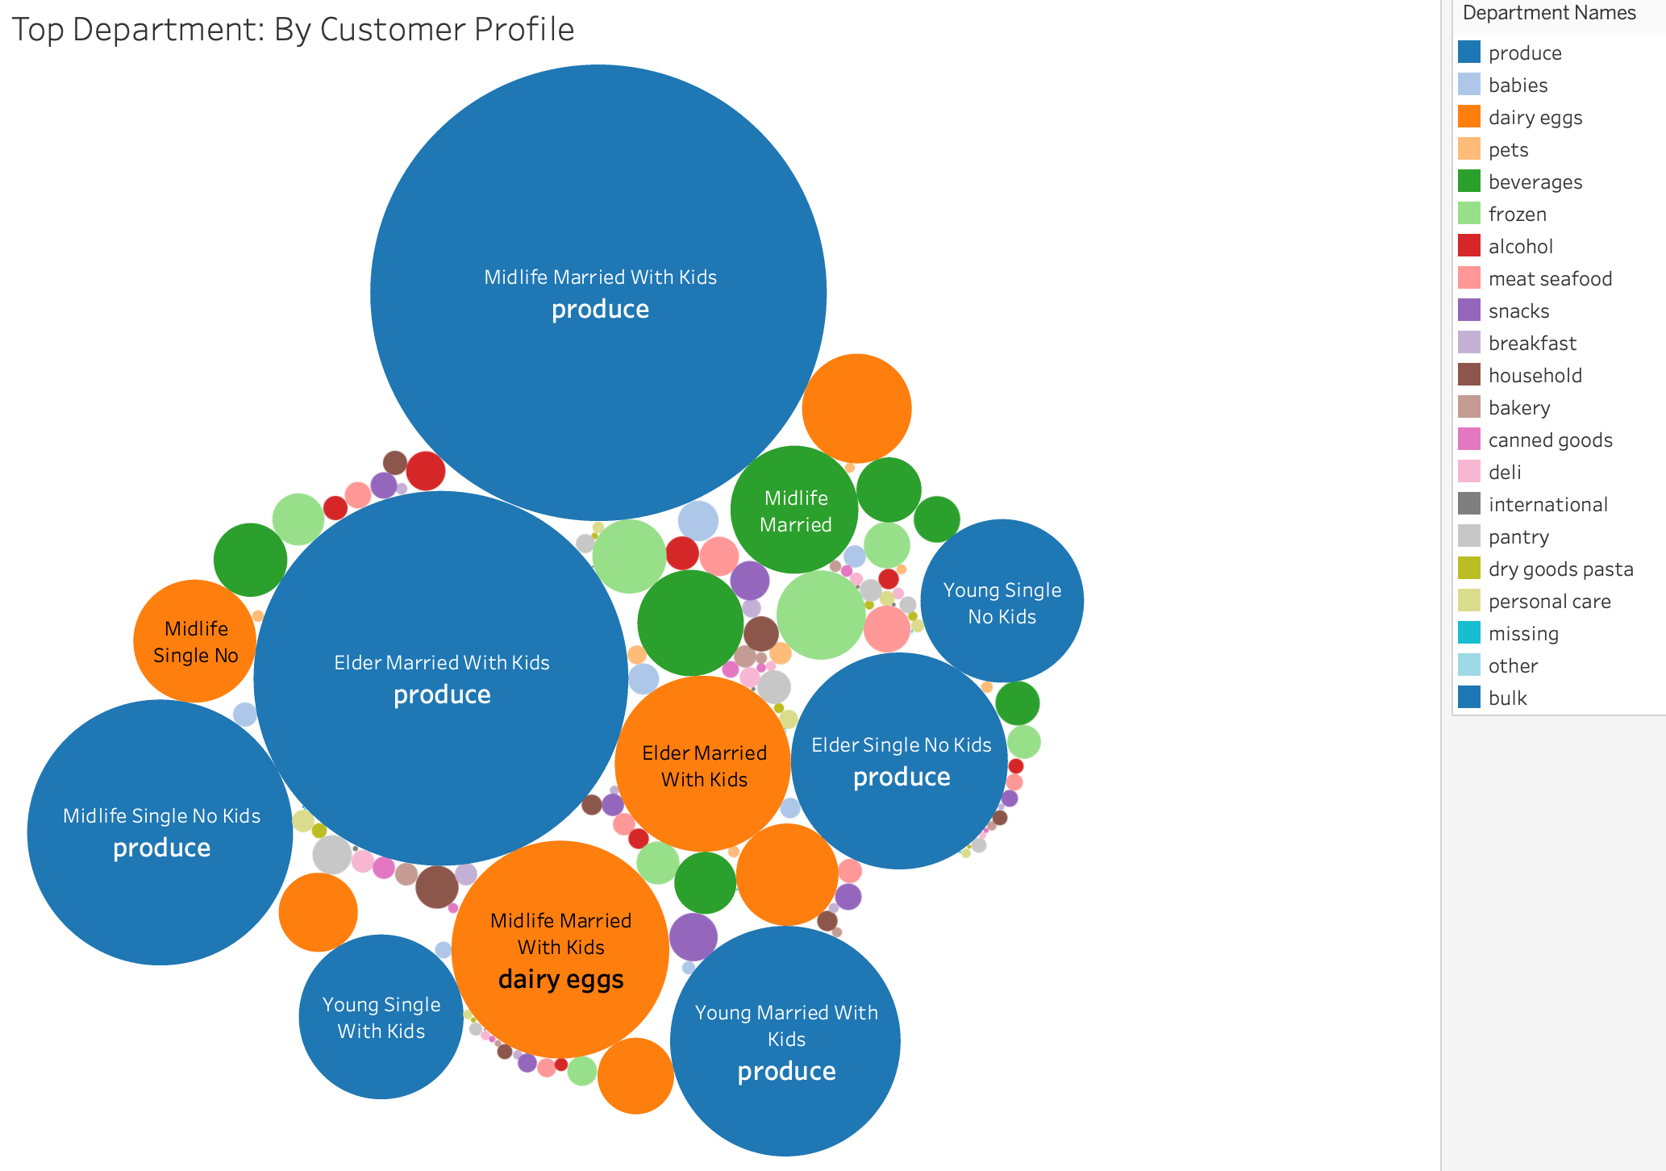
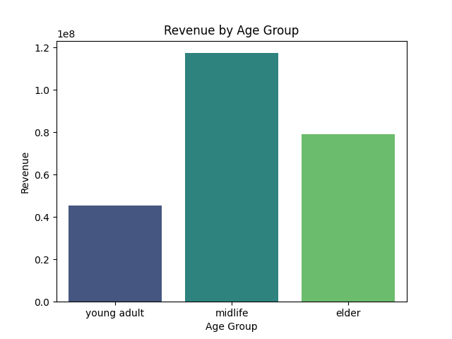
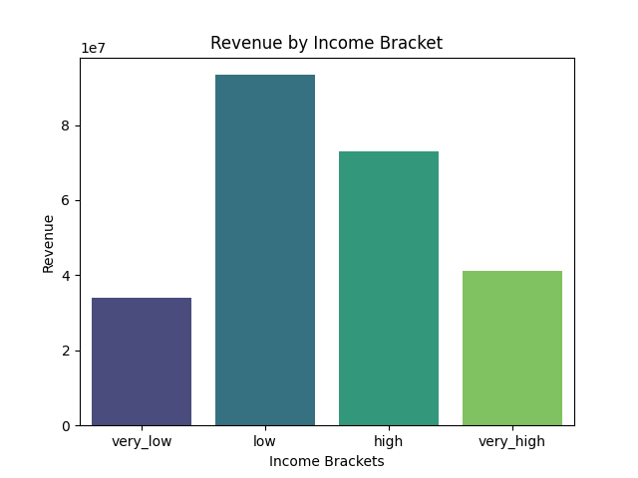
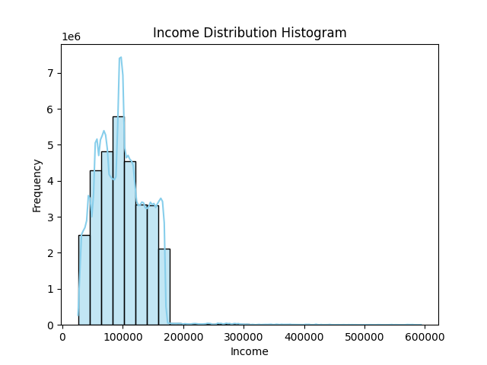
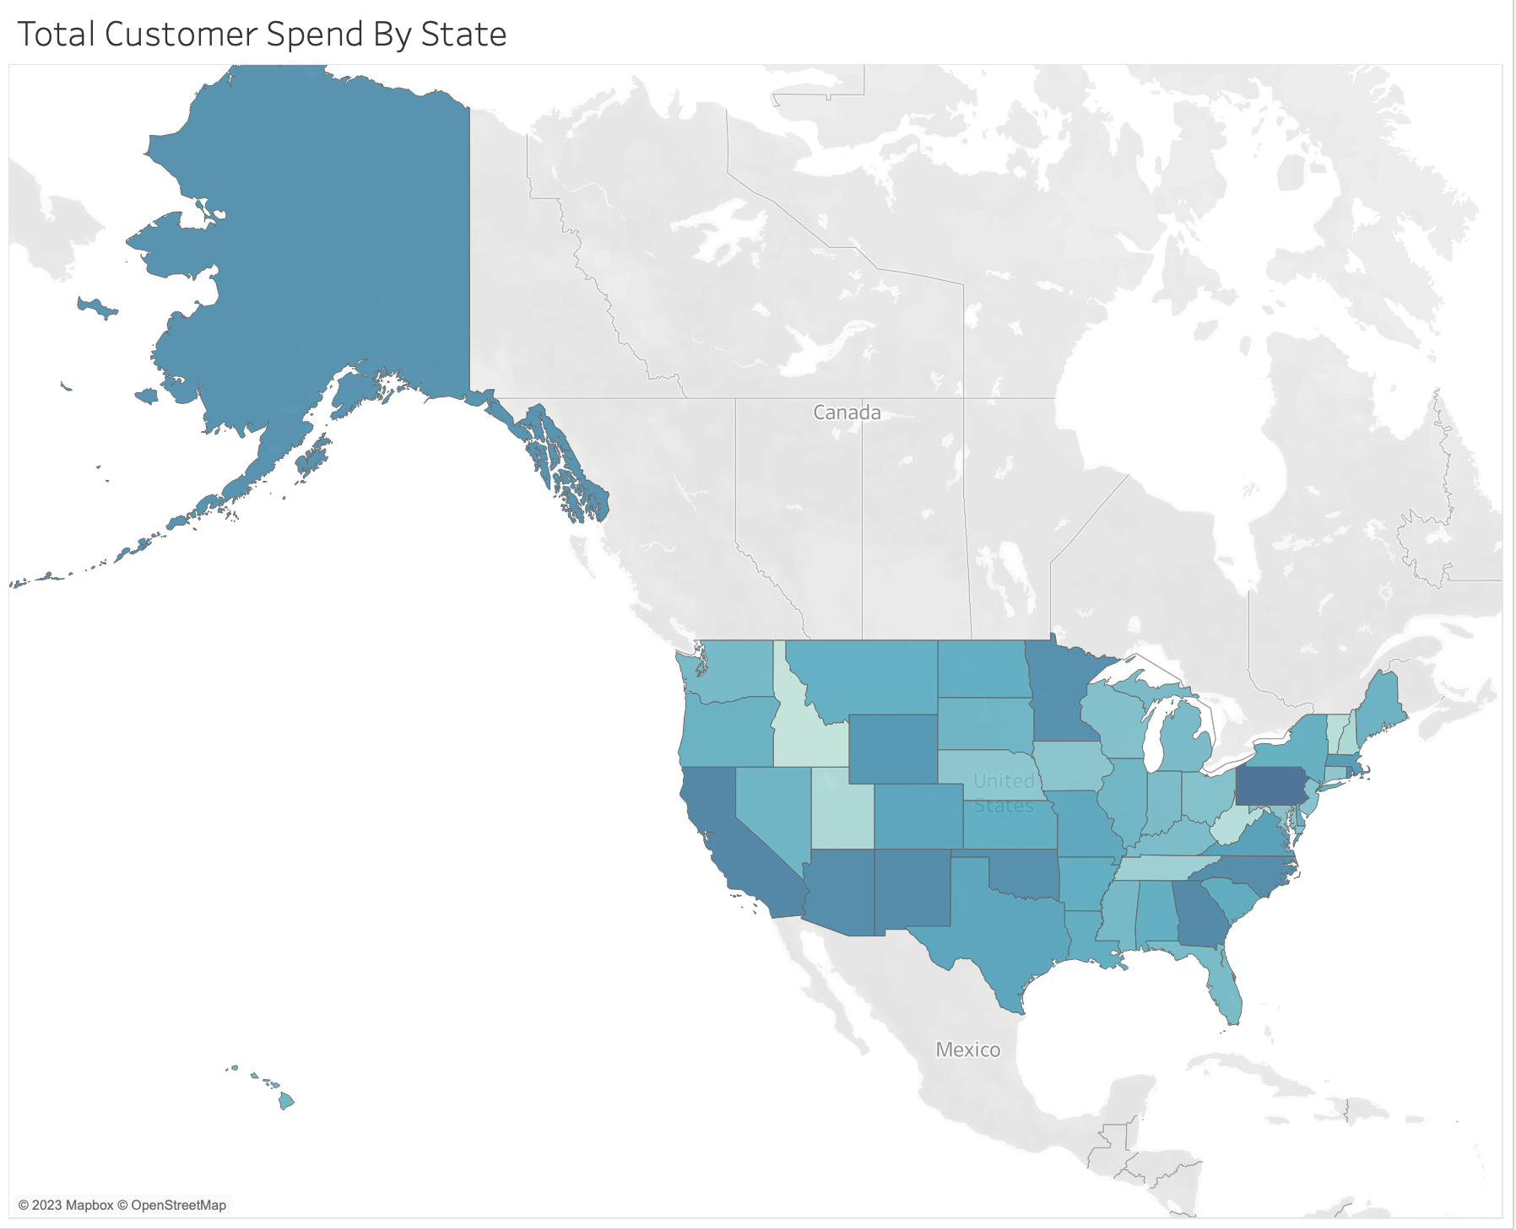
 |  | Title page

Visualisations

In this tab you should include all the visualtions from Exercises 4.9 and 4.10, alongside the questions from the project brief that they answer. Include any commentary on the relationship between different variables.

● The sales team needs to know what the busiest days of the week and hours of the day are (i.e., the days and times with the most orders) in order to schedule ads at times when there are fewer orders.
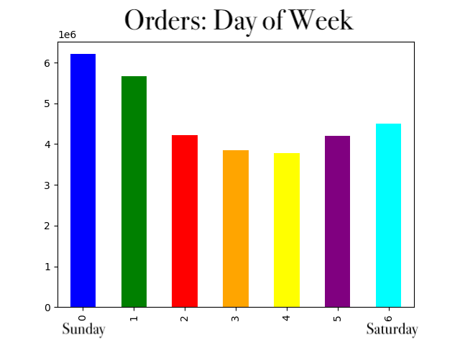

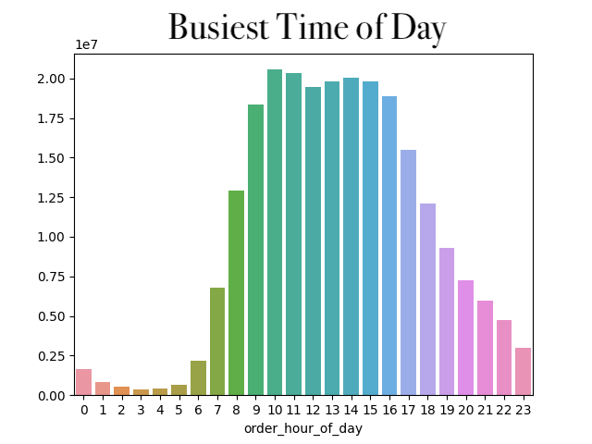

● They also want to know whether there are particular times of the day when people spend the most money, as this might inform the type of products they advertise at these times.

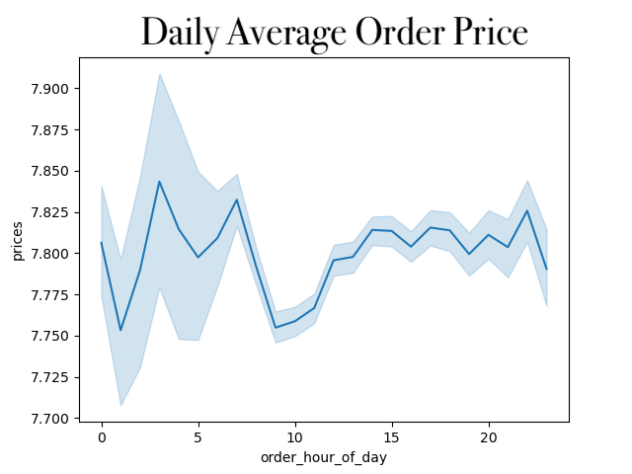

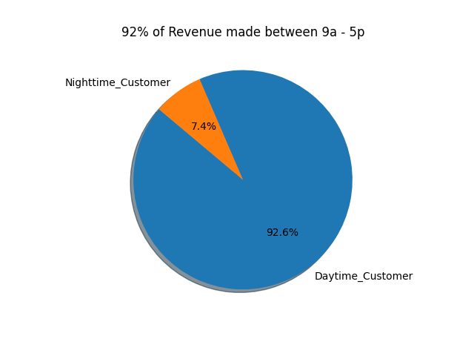

● Are there certain types of products that are more popular than others? The marketing and sales teams want to know which departments have the highest frequency of product orders.
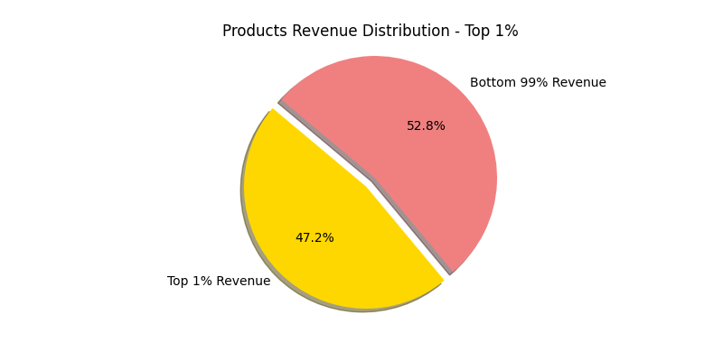
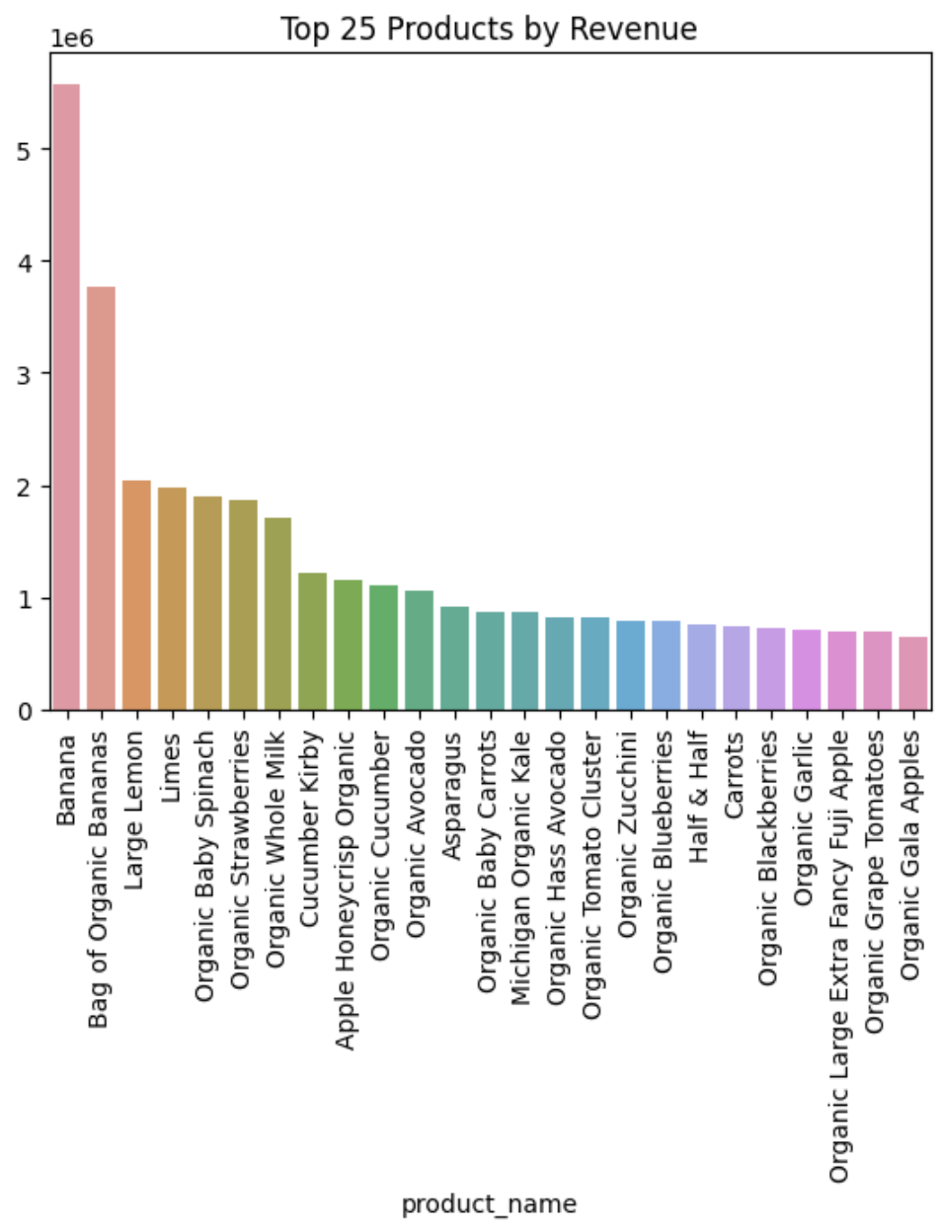

 |  |  |  | The top 1% of products drive 47.2% of total revenue.

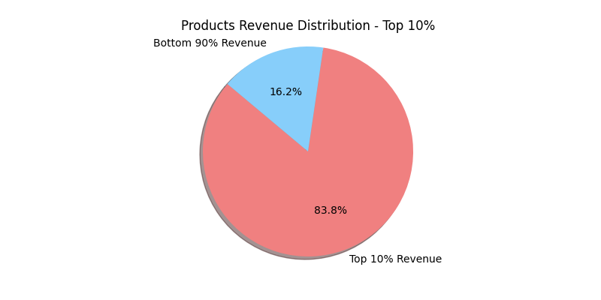
 |  |  |  | The top 10% of products drive 83.8% of total revenue.

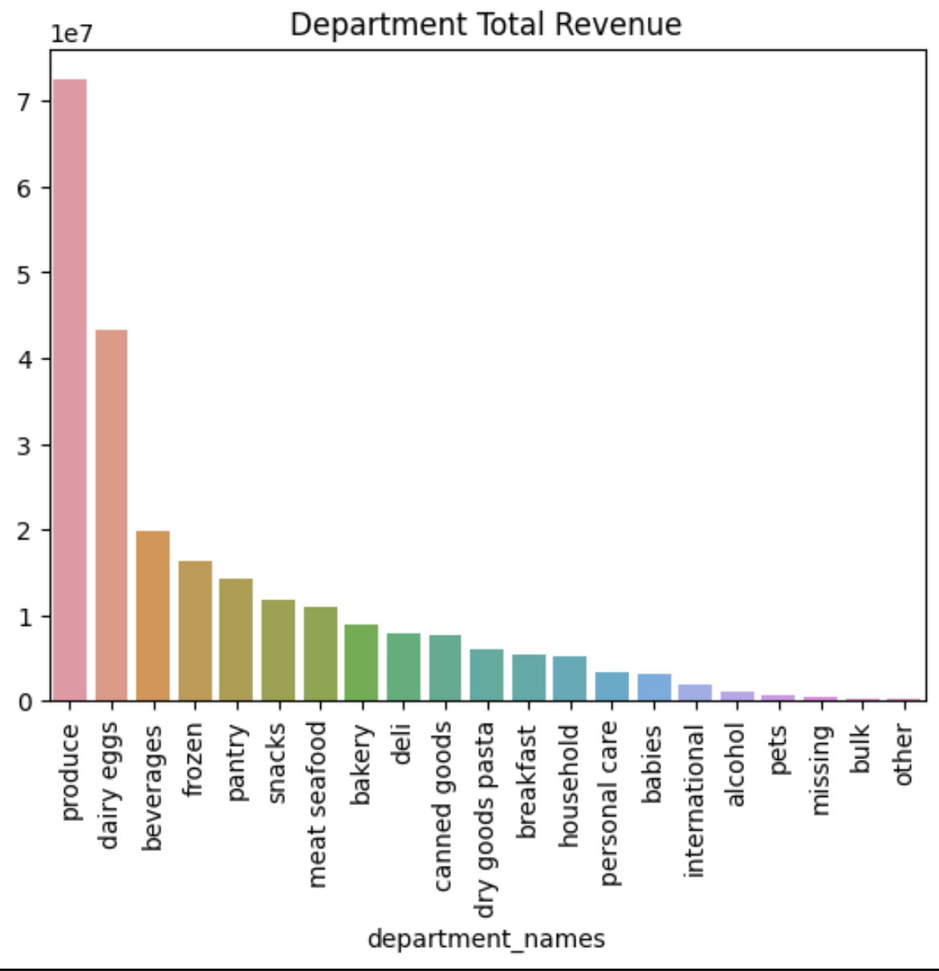

○ What’s the distribution among users in regards to their brand loyalty (i.e., how often do they return to Instacart)?

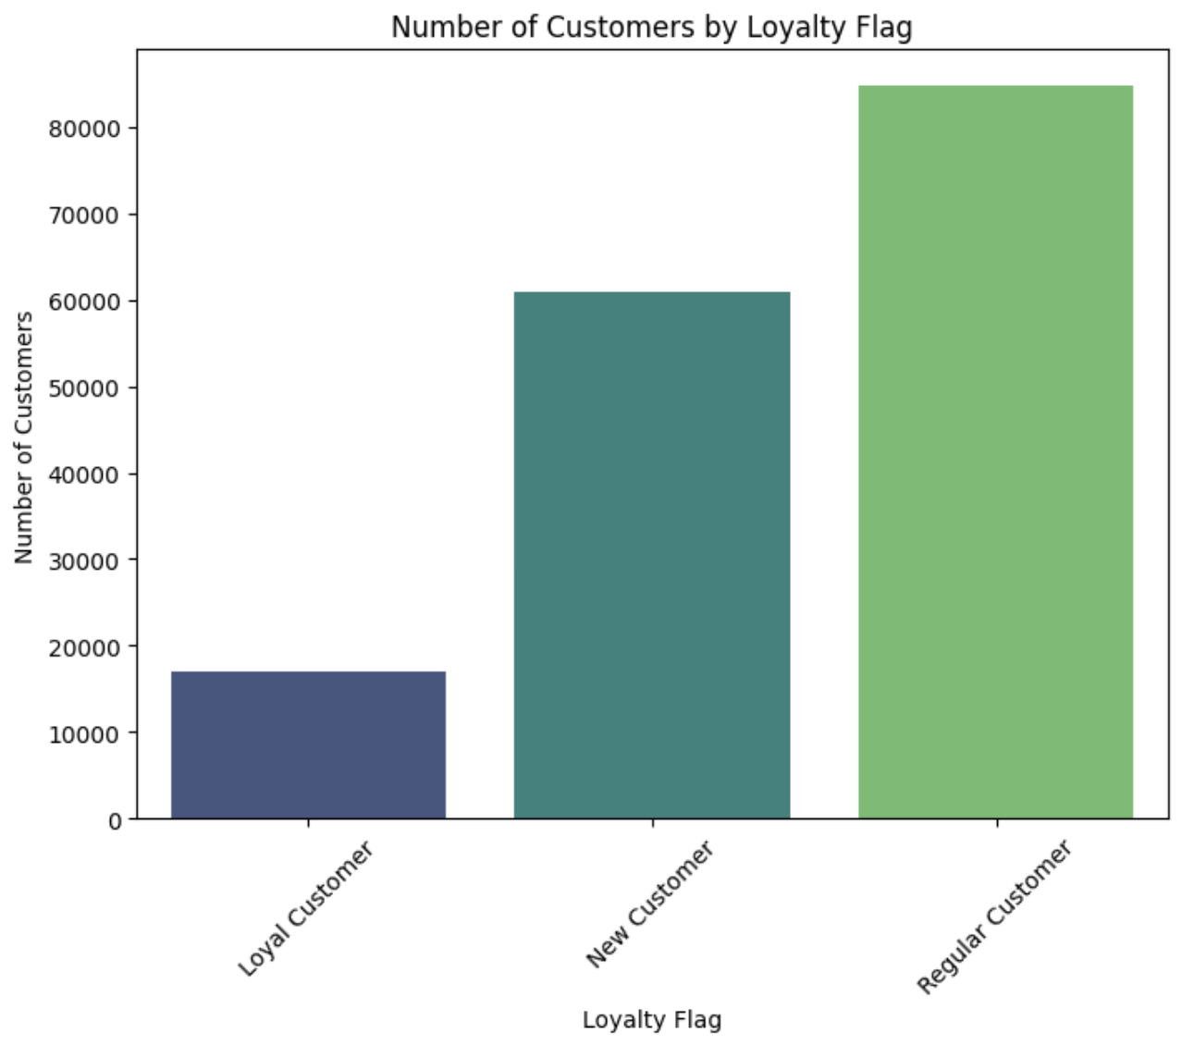

○ Are there differences in ordering habits based on a customer’s loyalty status?

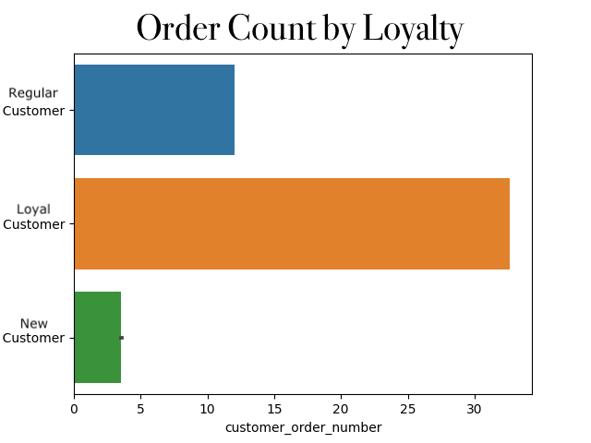
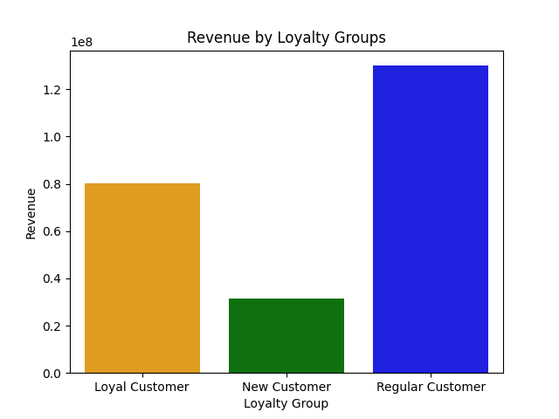

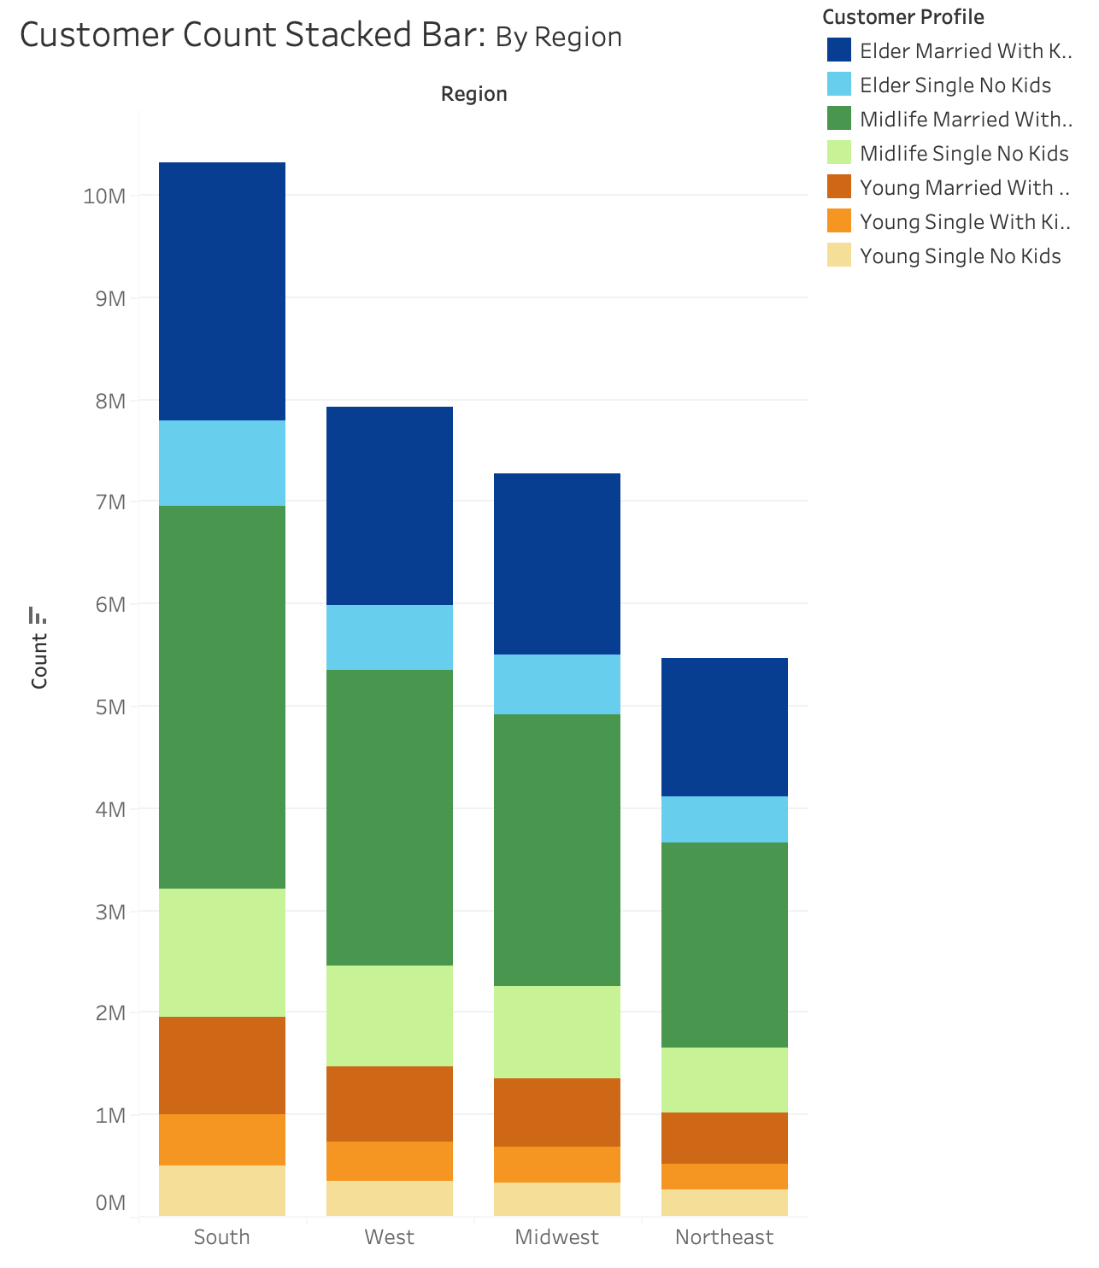
○ Are there differences in ordering habits based on a customer’s region?

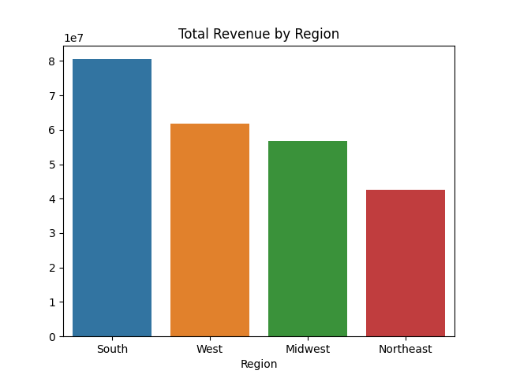

○ Is there a connection between age and family status in terms of ordering habits?

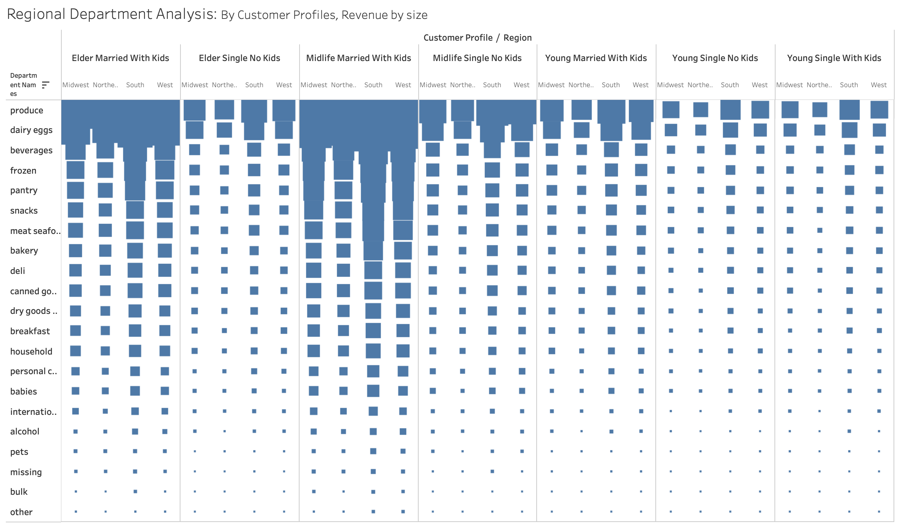

 |  |  | This chart shows a breakdown by customer profile and region with regards to department spending habits.
 |  |  | The Midlife Married with Kids and the Elder Married with Kids are the top spenders.
 |  |  | Produce, Dairy/ Eggs, and Beverages are the top 3 departments across all profiles.
 |  |  | The South has a slightly higher revenue than other regions across all profiles.

○ What different classifications does the demographic information suggest? | Age? Income? Certain types of goods? Family status?

7. Recommendations
 |  |  | Title page

Recommendations

In this tab you should include any recommendations you would made to Instcart in terms of their marketing strategy based on the questions posed in the brief. Every key question has been covered in the Tasks of the Exercises - here you need to add an item - a visualisation or table/crosstable that is showing the answer in the data, acompanied by a comment from you. Please, list the questions below and add the answer underneath.

Question | Answer
● The sales team needs to know what the busiest days of the week and hours of the day are (i.e., the days and times with the most orders) in order to schedule ads at times when there are fewer orders.
Observation: Wednesday and Thursday are the least busy days.
Recommendation: Implement Special Weekday Savings, on Wednesdays and Thursdays. Offer exclusive discounts, promotions, or incentives during these less busy days to attract more customers and boost sales.

● They also want to know whether there are particular times of the day when people spend the most money, as this might inform the type of products they advertise at these times.
Observation: 92.7% of revenue is made between the hours of 9am - 5pm.
Recommendation: Time-Sensitive Deals: Offer time-limited discounts or promotions during the peak hours to create a sense of urgency. Focus on high margin products.

● Are their certain types of products that are more popular than others? The marketing and sales team want to know which departments have the highest frequency of product orders.
Observation: The top 1% of products drive over 47% of revenue. Produce and Dairy/Eggs are by far the largest revenue drivers. Bananas and Organic Bananas are by far the most popular products overall.
Recommendation: Prioritize marketing the top 1% of products with targeted and time-sensitive ad and promotion campaigns. Implement strategy to stop stocking bottom n% of products on a rolling basis.

● What's the distribution among users in regards to their brand loyalty (i.e., how often do they return to Instacart)?
Observation: Loyal customers are a small relative number of individuals, have a high total order count and drive outsized revenue per customer.
Recommendation: Implement Loyalty Rewards Program. Incentivize and retain loyal customers. Offer exclusive discounts, early access to deals, or points for every purchase that can be redeemed for future orders. This will encourage customers to return and make repeat purchases

 |  | Total Revenue by State

● Are there differences in ordering habits based on a customer’s region?
Observation: The South leads in Revenue, the Northeast is trailing. Pennsylvania is a strong market, but New York and New Jersey are lagging.
Recommendation: Local Partnerships: Collaborate with local businesses and suppliers in underperforming regions to expand your product selection. Offering unique, locally-sourced items can attract more customers and boost sales in those areas. Focus on the states that border Pennsylvania, as PA's success can be leveraged to boost nearby states.

● Is there a connection between age and family status in terms of ordering habits?
Observation: Midlife Married with Kids and the Elder Married with Kids are the top spenders.
Recommendation: Targeted Product Bundles: Create product bundles and promotions specifically designed for Midlife and Elder Families with kids. These bundles can include family-sized products, meal kits, and household essentials to cater to their needs and increase order value.

● What differences can you find in ordering habits of different customer profiles? Consider the price of orders, the frequency of orders, the products customers are ordering, and anything else you can think of?
Observation: The scale of the produce department's success is evident.
Recommendation: Cross-Department Packaging: Foster collaboration between departments to enhance product pairings. Work to identify high-margin products that complement specific customer profiles and produce items. Implement joint marketing campaigns to highlight these pairings and use produce's success to drive higher margin sales.

